Specification
 |  |  |  |  |  |  |  |  |  |  |  |  |  |  |  |  |  | 4 | 3 | 5 | 5 | 6 | 4 | 4 | 7 | 7 | 9 | 5 | 3 | 4 | 2 | 5 | 4 | 4 | 3 | 6 | 3 | 1
 |  |  |  |  |  |  |  |  |  |  |  |  |  |  |  |  | 2367 | 36 | 36 2/3 | 37 1/3 | 38 | 38 2/3 | 39 1/3 | 40 | 40 2/3 | 41 1/3 | 42 | 42 2/3 | 43 1/3 | 44 | 44 2/3 | 45 1/3 | 46 | 46 2/3 | 47 1/3 | 48 | 49 1/3 | 50 2/3
SEASON | ARTICLE | IMAGE 1 | IMAGES MATCH | FULL ARTICLE | COLOR | COLOR DESCRIPTION | PRODUCT NAME | SUPPL. CATEGORY | SUPPL. DESCRIPTION | PARENT GROUP | GENDER | BRAND | MADE IN | WHS | RRP | SIZE COUNT | QTY | 3- | 4 | 4- | 5 | 5- | 6 | 6- | 7 | 7- | 8 | 8- | 9 | 9- | 10 | 10- | 11 | 11- | 12 | 12- | 13- | 14-
SS 2024 | L38318700 | 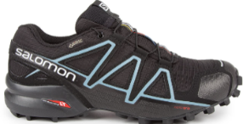 | YES | L38318700BLACK/BLACK/MET | BLACK/BLACK/MET | BLACK/BLACK/MET | SNEAKERS | SHOES | SHOES SPEEDCROSS 4 GTX W BLACK/BLACK/MET | ADULT | UNISEX | SALOMON | NO INFO | €80.00 | €160.00 | 13 | 254 | 1 |  | 2 | 7 | 6 | 189 | 6 | 2 | 9 | 5 | 12 | 8 | 4 |  | 3
SS 2024 | L47385300 | 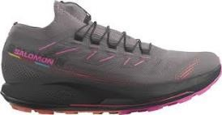 | YES | L47385300PKITEN/BLACK | PKITEN/BLACK | PKITEN/BLACK | SNEAKERS | SHOES | SHOES PULSAR TRAIL PRO 2 W PKITEN/BLACK | ADULT | UNISEX | SALOMON | NO INFO | €85.00 | €170.00 | 13 | 390 | 8 | 17 | 37 | 30 | 47 | 76 | 57 | 44 | 31 | 22 | 9 | 7 | 5
SS 2024 | L47241700 | 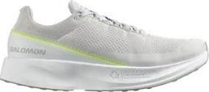 | YES | L47241700WHITE/LUNARROCK/YELLOW | WHITE/LUNARROCK/YELLOW | WHITE/LUNARROCK/YELLOW | SNEAKERS | SHOES | SHOES INDEX 02 WHITE/LUNAR ROCK/YELLOW | ADULT | UNISEX | SALOMON | NO INFO | €80.00 | €160.00 | 11 | 70 |  |  |  |  |  |  |  | 4 |  | 13 | 5 | 1 | 3 | 15 | 5 | 6 | 12 | 3 | 3
SS 2024 | L38309700 | 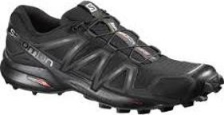 | YES | L38309700BLACK/BLACK/BLACK | BLACK/BLACK/BLACK | BLACK/BLACK/BLACK | SNEAKERS | SHOES | SHOES SPEEDCROSS 4 W BLACK/BLACK/BLACK M | ADULT | UNISEX | SALOMON | NO INFO | €60.00 | €120.00 | 10 | 115 |  |  | 2 | 2 | 2 | 89 | 1 | 3 | 2 | 2 |  |  | 7 |  | 5
SS 2024 | L47385000 | 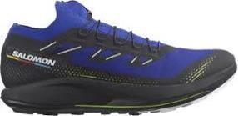 | YES | L47385000W/BLACK/YE | W/BLACK/YE | W/BLACK/YE | SNEAKERS | SHOES | SHOES PULSAR TRAIL PRO 2 SURF W/BLACK/YE | ADULT | UNISEX | SALOMON | NO INFO | €85.00 | €170.00 | 9 | 93 |  |  |  |  |  |  |  | 5 | 8 | 21 |  |  |  | 3 |  | 25 | 15 | 8 | 5 | 3
SS 2024 | L47101600 | 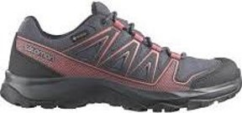 | YES | L47101600EBONY/BLACK/TEAROSE | EBONY/BLACK/TEAROSE | EBONY/BLACK/TEAROSE | SNEAKERS | SHOES | SHOES KYNTHOS GTX W EBONY/BLACK/TEA ROSE | ADULT | UNISEX | SALOMON | NO INFO | €70.00 | €140.00 | 5 | 79 |  | 33 |  |  | 7 |  | 6 |  | 6 | 27
SS 2024 | L47352500 | 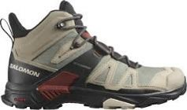 | YES | L47352500VINKHA/BLACK/BUR | VINKHA/BLACK/BUR | VINKHA/BLACK/BUR | SNEAKERS | SHOES | SHOES X ULTRA 4 MID GTX VINKHA/BLACK/BUR | ADULT | UNISEX | SALOMON | NO INFO | €90.00 | €180.00 | 5 | 164 |  |  |  |  |  |  |  |  |  |  |  |  |  |  | 2 |  | 51 | 10 | 75 | 26
SS 2024 | L41622800 | 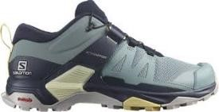 | YES | L41622800TROOPER/NISK/SUN | TROOPER/NISK/SUN | TROOPER/NISK/SUN | SNEAKERS | SHOES | SHOES X ULTRA 4 W TROOPER/NISK/SUN DRESS | ADULT | UNISEX | SALOMON | NO INFO | €65.00 | €130.00 | 4 | 245 |  |  |  |  |  |  |  | 29 | 96 | 68 | 52
SS 2024 | L47383900 | 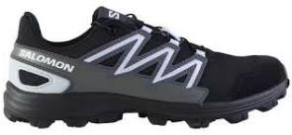 | YES | L47383900BLACK/EBONY/HEATHER | BLACK/EBONY/HEATHER | BLACK/EBONY/HEATHER | SNEAKERS | SHOES | SHOES WATTARA W BLACK/EBONY/HEATHER | ADULT | UNISEX | SALOMON | NO INFO | €60.00 | €120.00 | 4 | 391 | 10 | 260 | 113 |  |  |  |  | 8
SS 2024 | L41117800 | 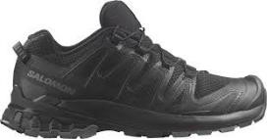 | YES | L41117800BLACK/PHANTOM/EBONY | BLACK/PHANTOM/EBONY | BLACK/PHANTOM/EBONY | SNEAKERS | SHOES | SHOES XA PRO 3D V8 W BLACK/PHANTOM/EBONY | ADULT | UNISEX | SALOMON | NO INFO | €65.00 | €130.00 | 3 | 103 |  |  |  | 39 | 57 |  |  |  |  |  | 7
SS 2024 | L47101300 | 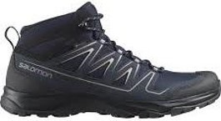 | YES | L47101300NISK/BLACK/VINKHA | NISK/BLACK/VINKHA | NISK/BLACK/VINKHA | SNEAKERS | SHOES | SHOES ONIS MID GTX NISK/BLACK/VINKHA | ADULT | UNISEX | SALOMON | NO INFO | €80.00 | €160.00 | 3 | 63 |  |  |  |  |  |  |  |  |  | 21 |  |  |  |  |  | 20 |  |  | 22
SS 2024 | L47233300 | 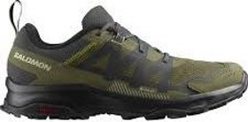 | YES | L47233300PEAT/OLVNIG/MOSSGRAY | PEAT/OLVNIG/MOSSGRAY | PEAT/OLVNIG/MOSSGRAY | SNEAKERS | SHOES | SHOES ARDENT GTX PEAT/OLVNIG/MOSS GRAY | ADULT | UNISEX | SALOMON | NO INFO | €70.00 | €140.00 | 3 | 97 |  |  |  |  |  |  |  |  | 5 | 90 |  |  |  |  |  |  |  |  | 2
SS 2024 | L47101400 | 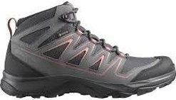 | YES | L47101400EBONY/QUSH/TEAROSE | EBONY/QUSH/TEAROSE | EBONY/QUSH/TEAROSE | SNEAKERS | SHOES | SHOES ONIS MID GTX W EBONY/QUSH/TEA ROSE | ADULT | UNISEX | SALOMON | NO INFO | €80.00 | €160.00 | 2 | 159 |  |  |  | 36 |  | 123
SS 2024 | L40589200 | 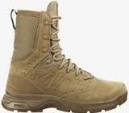 | YES | L40589200COYOTE/COYOTE/COYOTE | COYOTE/COYOTE/COYOTE | COYOTE/COYOTE/COYOTE | ANKLE BOOTS | SHOES | SHOES GUARDIAN CSWP COYOTE/COYOTE/COYOTE | ADULT | UNISEX | SALOMON | NO INFO | €90.00 | €180.00 | 9 | 144 | 18 |  | 18 |  | 7 |  |  |  |  |  |  |  |  |  | 3 | 11 | 16 |  | 34 | 19 | 18

